ART
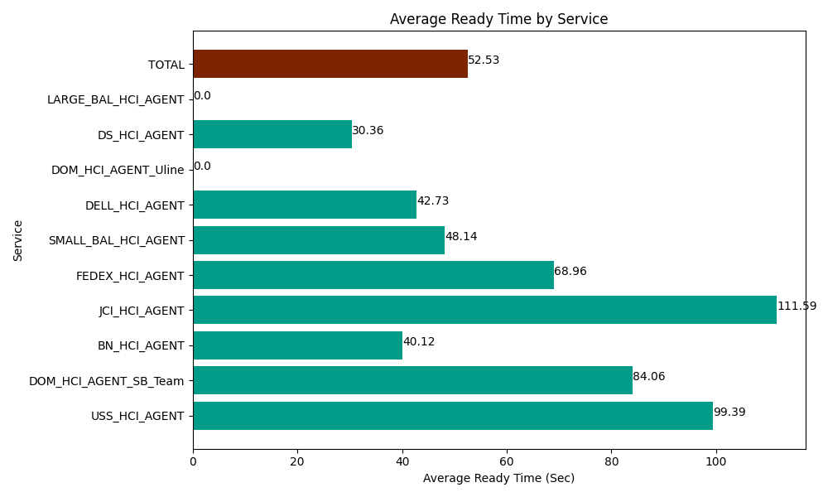
Date | Service | Successful Op Transfer | In Call (Sec) | Ready (Sec) | Wrapup (Sec) | Not Ready (Sec) | Average Ready Time (Sec)
06-26-2024 | USS_HCI_AGENT | 51 | 6185.9999084 | 5068.8002014 | 8803.2000732 | 4915.8000183 | 99.39
06-26-2024 | DOM_HCI_AGENT_SB_Team | 30 | 3760.1998901 | 2521.7999268 | 3437.9999542 | 484.79999542 | 84.06
06-26-2024 | BN_HCI_AGENT | 1152 | 63721.201172 | 46219.801025 | 85546.801758 | 50642.999268 | 40.12
06-26-2024 | JCI_HCI_AGENT | 48 | 3589.1999817 | 5356.1997986 | 4144.1999817 | 541.79998398 | 111.59
06-26-2024 | FEDEX_HCI_AGENT | 33 | 4798.2000732 | 2275.8000183 | 2490 | 4387.2001648 | 68.96
06-26-2024 | SMALL_BAL_HCI_AGENT | 227 | 16852.800293 | 10927.199707 | 32203.198242 | 34352.999268 | 48.14
06-26-2024 | DELL_HCI_AGENT | 271 | 33559.801025 | 11580 | 75418.198242 | 65254.797363 | 42.73
06-26-2024 | DOM_HCI_AGENT_Uline | 0 | 0 | 13.80000025 | 0 | 9.0000003576 | 0
06-26-2024 | DS_HCI_AGENT | 507 | 34610.998535 | 15391.199341 | 59857.199707 | 41214.001465 | 30.36
06-26-2024 | LARGE_BAL_HCI_AGENT | 0 | 0 | 185.99999428 | 0 | 55.800000429 | 0
 | TOTAL | 2319 | 167078.40088 | 99540.600013 | 271900.79796 | 201859.19753 | 52.53

